explaination
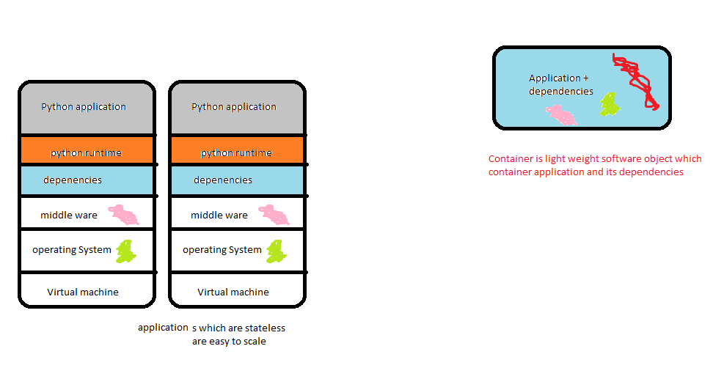
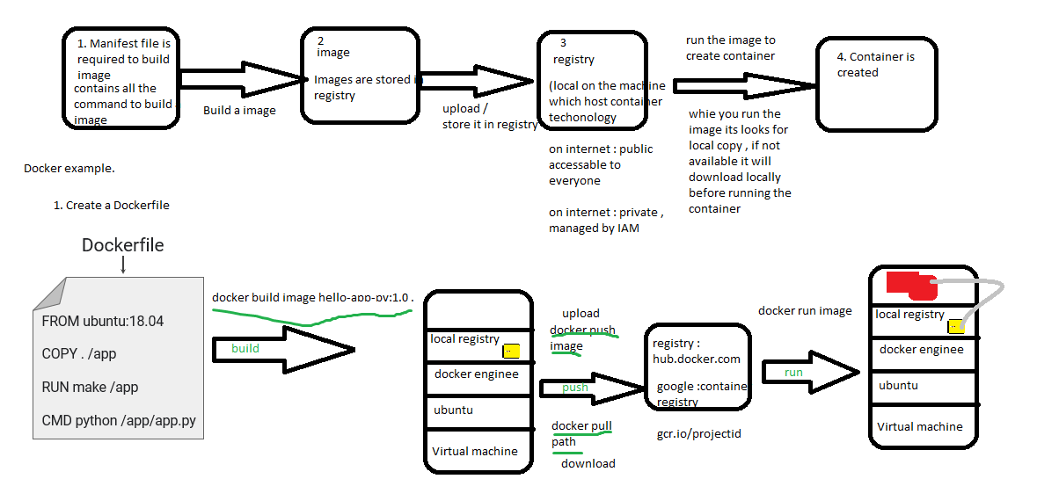
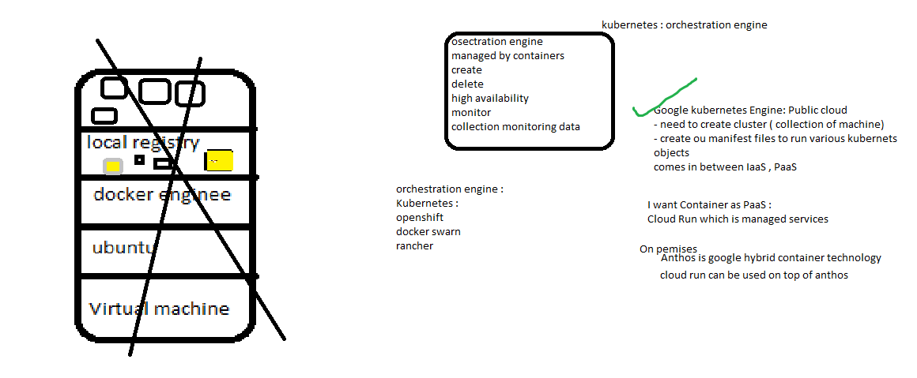
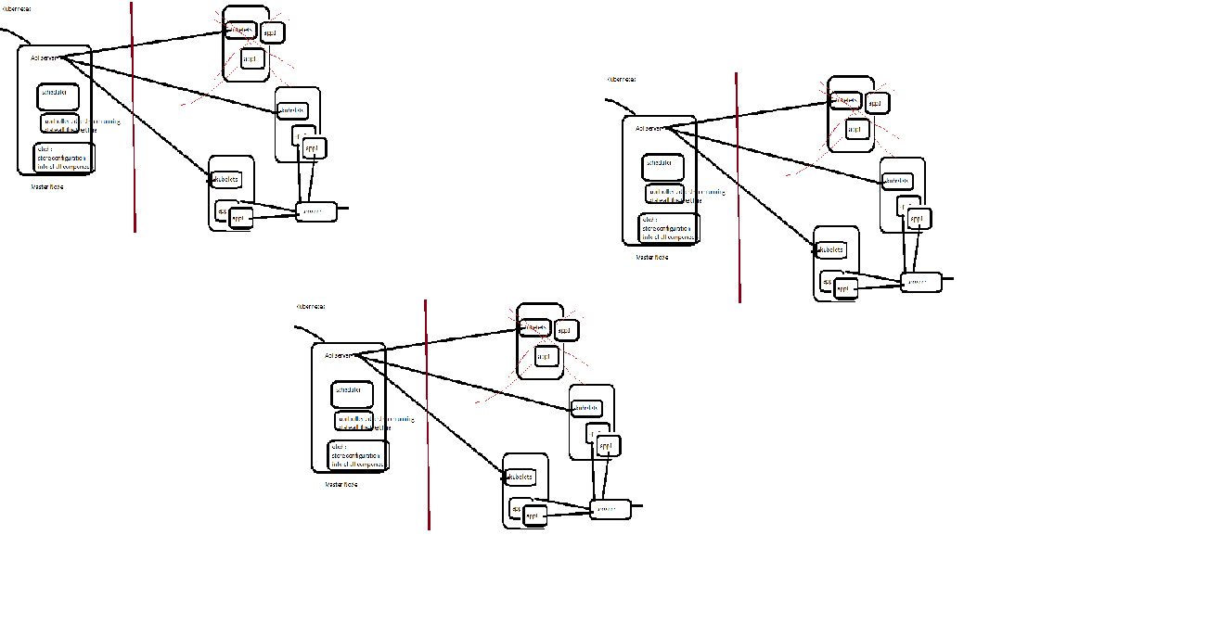
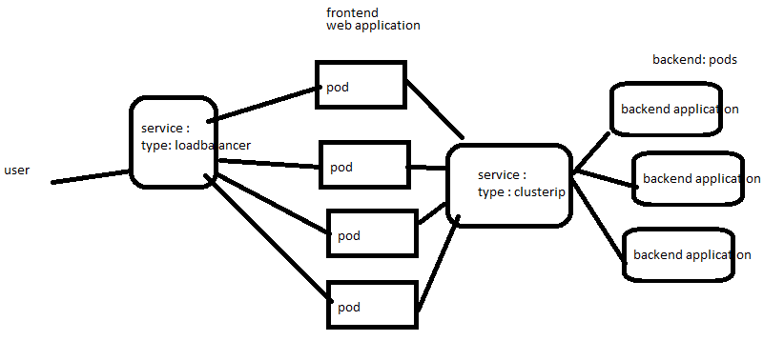
 | 1. qwiklab gives temp account to use gcp which are time bound , if the lab is for 30 mins the account will be deleted after 30 mins

 | 2. Read all the lines , one step at a time

 | 3. Open chrome browser and open an Incognito window.
shortcut | Shift + ctrl + N

 | 4. Type the following URL.
 | https://console.cloud.google.com

 | 5. Use username and password from the connection details (qwiklab)

 | (Imp)
 | 6. select the project.
 | project id is given in connection details (qwiklab)

connection to windows machine | to connect to windows using rdp
 | 1. set password click on 3 dots set password
 | 2. note down the username
 | 3. note the password
 | 4. download rdp connection
 | 5. open rdp cconnection
 | 6. give user-id and password

Managed services | unmanaged service : mysql database
 | 1. create instance a vm
 | 2. download mysql , install and configure
 | 3. patch management
 | 4. update
 | 5. backup
 | 6. encryption
 | 7. --<replications>--
 | 8. configure logging agents

 | managed service
 | all above activities will be taken care by vendor. | twitter
 |  | personal details |  |  | activity
 |  | static | static | static | dynamic | dynamic | dynamic
 |  | Name | dob | email | tweets | no-of-follwers | no-of-following

 |  | movie system | users | Batman Begins | The Dark Knight | The Dark Knight Rises | The Joker
 |  |  | Shubh | 9 | 10 | 10 | 10
 |  |  | Akash | 10 | 9 | 8 | -
 |  |  | balasundar | - | - | - | 9
 |  |  | deepak | - | 9 | - | -
 |  | row-key
 |  | Movie-user | Rating
 |  | BB-shubh | 9
 |  | TDK-shubh | 10
 |  | TDKR-shubh | 10
 |  | TJ-shubh | 10
 |  | BB-Akash | 10
 |  | TDK-Akash | 9
 |  | TDKR-Akash | 8
 |  | TJ-Balasundar | 9
 |  | Deepak-TDKR | 9

casestudy
Loadbalancer
Front end
 | Backend
 |  | Services
 |  |  | Instance group
 | Backend
 |  | storage
 |  |  | Buckect

Managed Instance group
 | stateful
 | stateless

pre-requiste for Managed instance group
 | Instance template

 |  | sudo apt-get install apache2 -y sudo cat <<EOF > /var/www/html/index.html <html> <body> <p>hostname is: $(hostname)</p> </body> </html> EOF

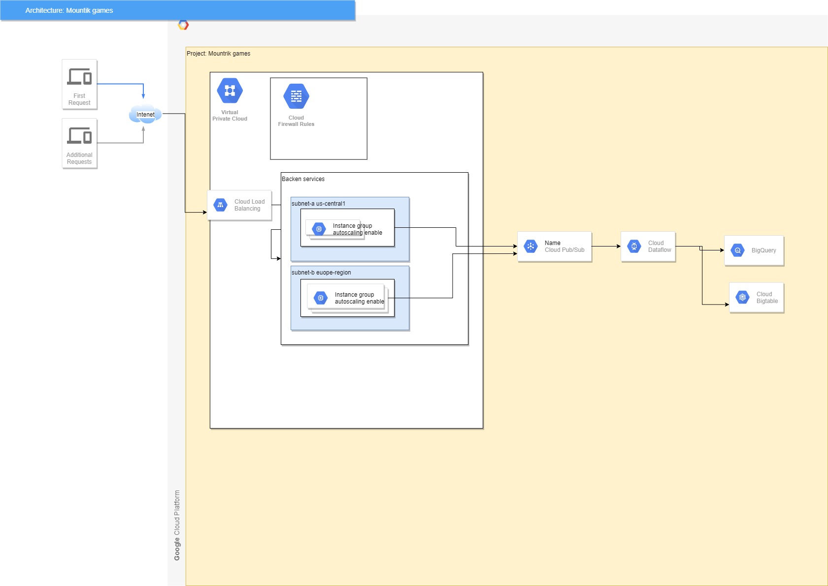

Dress4win
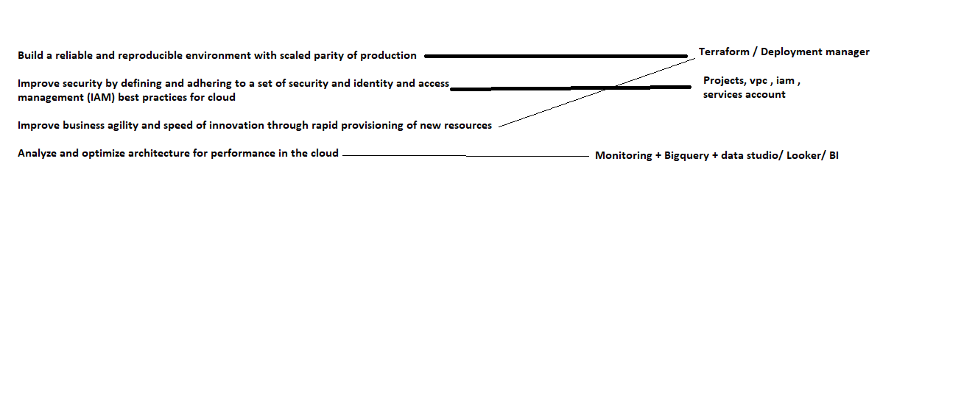

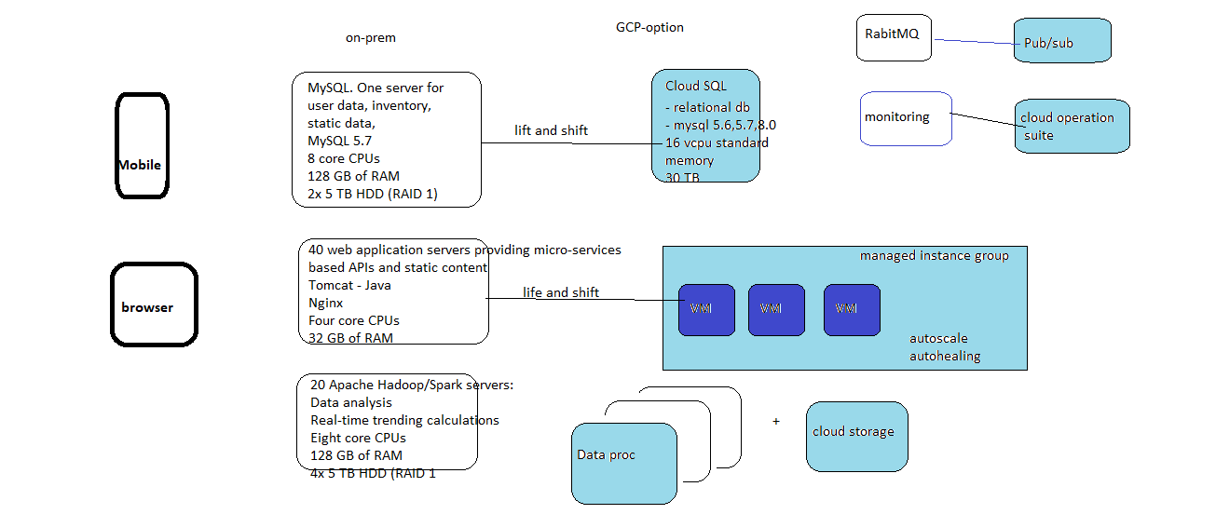

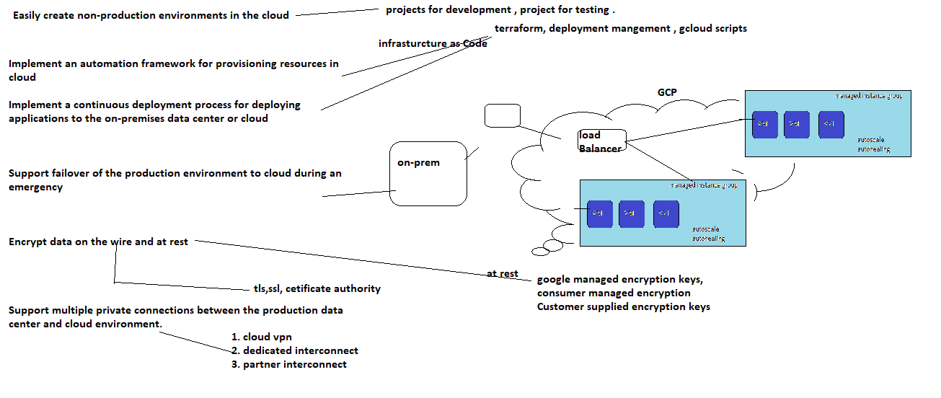

terramearth
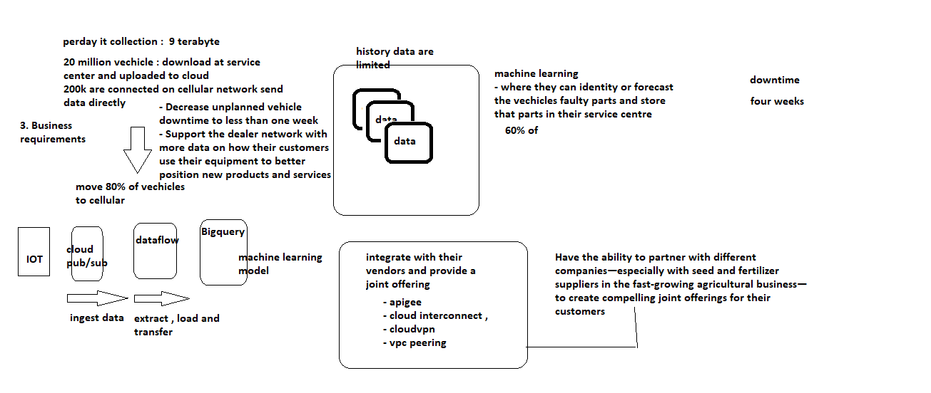

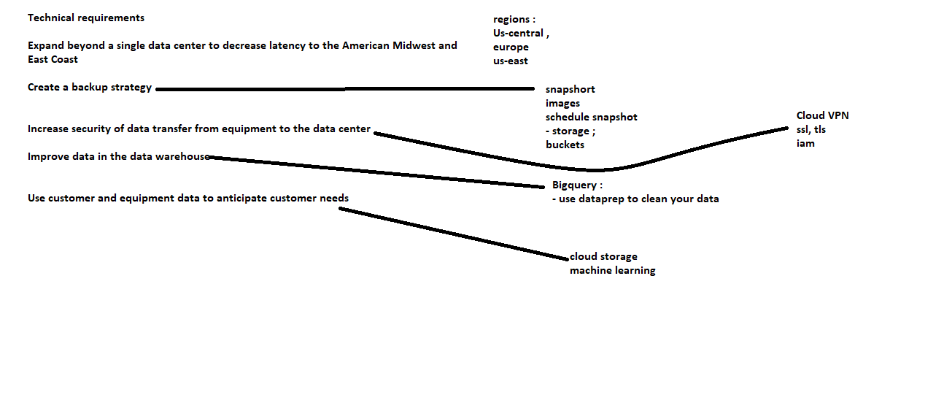
case-study

